Automatic Roll Towel
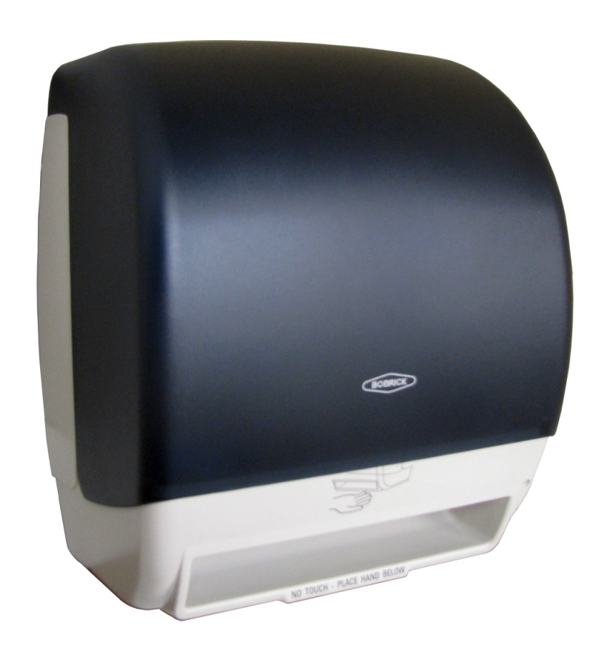 Automatic, Universal Roll Towel Dispensers
Interactive Cost Savings Calculator
Cost comparison between Universal Paper and Proprietary Paper |  | Universal Paper | Proprietary Paper
Number of rolls per case: | *Required Field | 6 | 6
Linear feet per roll: | *Required Field | 800 | 800
Total linear feet/case: |  | 4800 | 4800
Cost per case: | *Required Field | $30.00 | $45.00
True cost per sheet : |  | $0.006 | $0.009
Universal % savings over proprietary paper: |  | 33%
How much more will you pay for proprietary paper? |  | 50%
Number of operating days per year: (Days will vary depending on facility type. Typically there are 250 operating days for an office building.) | *Required Field | 250
Number of visitors or occupants daily: | *Required Field | 300
Number of cases required annually: (Average No of sheets used annually ÷ total linear feet per case) |  | 80 | 80
Annually cost of paper: (Number of cases required annually x cost per case) |  | $2,390.63 | $3,585.94
Annual Savings with Universal Paper |  | $1,195.31
Payback for Universal Dispensers in Months |  | 43
Universal Dispenser(s) vs. Proprietary Dispenser(s)
Universal Dispensers
Number of units required: | *Required Field | 30
Unit price of B-72974 Plastic Automatic Universal Roll Towel Dispenser: | *Required Field | $144.00
Total Cost of B-72974 Plastic Automatic Universal Roll Towel Dispensers: |  | $4,320.00
Total Cost of Universal Paper: (over same length of Proprietary Contract) |  | $11,953.13
Total Cost of Universal Dispensing System: (Includes Paper and Dispensers) |  | $16,273.13
Proprietary Dispensers
Paper Purchasing Contract Terms for Proprietary Paper: (Number of years) | *Required Field | 5
Cost of Proprietary Paper Contract Term: |  | $17,929.69
Unit price of Proprietary Dispensers: | *Required Field | $0.00
Total Cost of Proprietary Paper Contract Term: (with Dispensers) |  | $17,929.69
Savings of Universal Dispensing System |  | $1,656.56

