TrimLine Dryer Savings
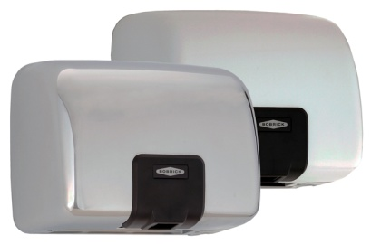 QuietDry™ Warm Air Hand Dryer

Folded Towel Dispensers |  | Multifold/C-fold | B-770/778 115V QuietDry High Speed Dryer |  | Hand Dryer
Number of sheets per case | *Required Field | 4000 | Quiet-Dry Hand Dryer draws 1380 watts (1.38 kW) of electricity while operating |  | 1380
Cost per case | *Required Field | $21.00 | Average drying cycle in seconds |  | 15
Number of hand dries per case (Number of sheets ÷ 2.5 average number of towels per hand dry) |  | 1600 | Number of drying cycles based on 1 hour of operation (60 sec. ÷ average drying cycle in sec.) x 60 minutes |  | 240
Cost per hand dry (Cost per case x number of hand dries per case) |  | $0.013 | kWh (1 hr. x Dryer kW 1.38) |  | 1.38
 |  |  | Cents per kWh average rate .115 cents (Based on LADWP Commercial Rate for customers using 20000 kWh) | *Enter your cost per kWh in cents | $0.115
Number of operating days per year (Days will vary depending on facility type. Typically there are 250 operating days for an office building.) | *Required Field | 250 | Hourly cost of dryer (kWh x cents per kWh Rate) |  | $0.16
Number of visitors or occupants daily | *Required Field | 300 | Cost per hand dry (Cost per hand dry x Number of drying cycles based on 1 hr operation) |  | $0.0007
Average Number of washroom visits per day |  | 3 | Annual cost of dryer (Cost per hand dry with warm air dryer x number of washroom visits per day) |  | $149.30
Total washroom visits per year (Number of operating days x number of daily occupants) x number of washroom visits per day |  | 225000 | Annual savings with dryer (Total annual cost of paper towels - annual cost of dryer) |  | $5,403.83
Average Number of Sheets used annually (Total visits per day x 2.5 sheets used per visit) |  | 562500
Number of cases required annually (Number of sheets used annually ÷ number of sheets per case) |  | 141
Cost of Paper Towels Annually (Cost of paper x number of cases required annually) |  | $2,953.13 | Quiet-Dry Dryer Payback
 |  |  | Number of Dryers required | *Required Field | 6
Number of washrooms | *Required Field | 6 | Unit price per B-770/B-778 Dryer | *Required Field | $400.00
Labor cost per hour (Maintenance) | *Required Field | $10.00 | Installation costs ($75-$150) per dryer (installation cost will vary depending on electrical and backing requirements for your building) | *Required Field | $75.00
Direct labor cost {[(Number of washrooms x 10 minutes)x number of operating days per year] ÷ 60 minutes} x Labor cost per hour |  | $2,500.00 | Total cost of dryer(s) (Number of units x unit price per dryer) + (Number of units x installation cost per dryer) |  | $2,850.00
Other costs (ordering, storing, disposing etc…) estimate | *Required Field | $100.00 | Payback for dryers in months Total cost of dryer ÷ (annual savings with dryer ÷ 12 months) |  | 6
Total annual cost of paper towels (Annual cost of paper towels + direct labor cost + other costs) |  | $5,553.13

